1. Title Page
Grocery Basket Analysis

Project Name: Instacart Basket Data Analysis
Date: 11/19/2022
Analyst Name: Catherine Walerko

Contents:
Population Flow
Consistency checks
Wrangling steps
Column derivations
Visualizations
Recommendations

Data Citation: “The Instacart Online Grocery Shopping Dataset 2017”, Accessed from https://www.instacart.com/datasets/grocery-shopping-2017 on 10/10/22.
Note: Customer data and prices were fabricated for learning purposes.

2. Population Flow
 | Title page

Population flow

Exclusion flag
Condition: max_order < 5
Obervations to be removed: 1,441,548
Final total count of order_products_all: 30,992,664

Orders_products_combined
Orders_products_merged
Orders_products_all

Total:
Total: 32,434,489
Total: 30,992,664
32,434,212

1.) The grey boxes in the first row of the population flow represent the original data sets as they were when you downloaded them. In the Total fields you need to add the count of the rows when you imported the data set into Jupyter.
2.) The second row of boxes (coloured) represents the data sets after you manipulated them, e.g., removed missing values and duplicates. In the Total fields you need to add the count of the rows after conducting these operations. This offers a visual oveview of how the data flows throughout the data consistency checks.
3.) The third row, where also the arrows are coloured, represents the merges you performed between the datasets. In the Total fields you need to add the count of the rows in the merged datasets, so that you end up with the final dataset (in the red box). Keep in mind the final dataset should be without exclusions (based on the exclusion flag).

3. Consistency checks
 |  |  |  | Title page
Consistency checks

Dataset | Missing values | Missing values treatment | Duplicates
orders | 206209 | new dataframe made to exclude | 0
products | 16 | new dataframe made to exclude | 5
orders_products_prior | 0 | NA | 0
customers | 11259 | left as is | 0

4. Wrangling steps
 |  |  |  |  | Title page
Wrangling steps

Data Set | Columns dropped | Columns renamed | Columns' type changed | Comment/Reason
Orders | eval_set (orders original) |  |  | irrelevant for analysis
 |  | order_dow |  | changed to "orders_day_of_week"
 |  |  | order_id | changed from interval to string
 |  |  | orders_day_of_week | changed from interval to string
Customers | First Name |  |  | excluded due to PII
 | Surnam |  |  | Excluded due to PII
 | Gender |  |  | irrelevant for analysis
 | date_joined |  |  | irrelevant for analysis
 |  | STATE |  | changed to "state" for consistency
 |  | Age |  | changed to "age" for consistency
 |  | n_dependants |  | changed to "#_dependants" for clarity
Ords_Prods_All |  |  | order_id | reduced to save memory
 |  |  | user_id | reduced to save memory
 |  |  | order_number | reduced to save memory
 |  |  | orders_day_of_week | reduced to save memory
 |  |  | order_hour_of_day | reduced to save memory
 |  |  | days_since_prior_order | reduced to save memory
 |  |  | product_id | reduced to save memory
 |  |  | reordered | reduced to save memory
 |  |  | add_to_cart_order | reduced to save memory
 |  |  | product_id | reduced to save memory
 |  |  | aisle_id | reduced to save memory
 |  |  | department_id | reduced to save memory

5. Column derivations
 |  |  |  | Title page

Column derivations and aggregations

Dataset | New column | Column/s it was derived from | Conditions
orders_products_merged | busiest_days | orders_day_of_week | 0 or 1==Busiest Days, 3 or 4==Least Busy, all else=Regularly Busy
orders_products_merged | busiest_period_of_day | order_hour_of_day | ≥8 and ≤17 = Most Orders, ≥18 and ≤23 = Average Orders, ≤7 = Fewest Orders
orders_products_merged | price_range_loc | prices | ≤5 = Low-range product, >5 and ≤15 = Mid-range product, >15 = High-range product
orders_products_merged | max_order | user_id, order_number | ords_prods_merge.groupby(['user_id'])['order_number'].transform(np.max)
orders_products_merged | loyalty_flag | max_order | > 40 = Loyal customer,≤ 40 and >10 = Regular customer, <10 = New customer
orders_products_merged | Spending_flag | prices | <10 = Low Spender, ≥10 = High Spender
orders_products_merged | order_frequency | user_id, days_since_prior_order | ords_prods_merge.groupby(['user_id'])['days_since_prior_order'].transform(np.median)
orders_products_merged | frequency_flag | order_frequency | >20 = Non-frequent customer, >10 and ≤20 = Regular customer, ≤10 = Frequent Customer
ords_prods_all | region | state | https://simple.wikipedia.org/wiki/List_of_regions_of_the_United_States
ords_prods_all | activity_flag | max_order | ≥5 = High Activity, <5 = Low Activity
ords_prods_all | age_flag | age | ≤30 = Young Adult, >30 and <65 = Middle Age, ≥65 = Senior
ords_prods_all | income_flag | income | ≤50000 = Low Income, >50000 and ≤150000 = Middle Income, >150000 = High Income
ords_prods_all | dependants_flag | #_dependants | >0 = Dependants, ==0 = No Dependants
ords_prods_all | alcohol_flag | department_id | purchased if ==5, all else = not purchased
ords_prods_all | bulk_flag | department_id | purchased if ==10, all else = not purchased

6. Visuals & Recommendations
 |  |  |  |  |  |  | Title page

Visualisations

Question 1. The sales team needs to know what the busiest days of the week and hours of the day are (i.e., the days and times with the most orders) in order to schedule ads at times when there are fewer orders.
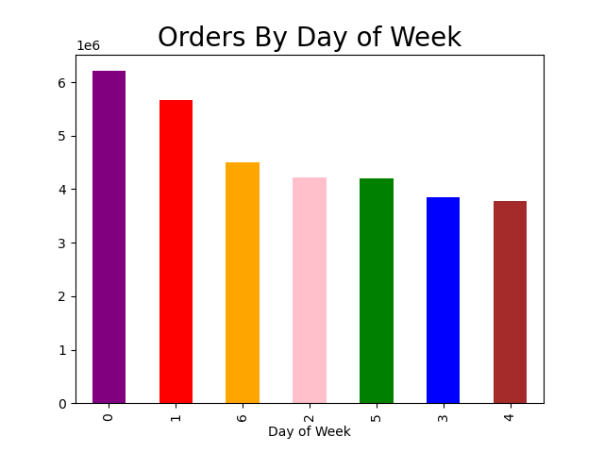


This bar chart represents the amount of orders by day of the week. |  |  |  |  | This histogram represents the amount of orders placed by hour of day.
The week starts with 0 representing Saturday and ends with 6 representing Friday. |  |  |  |  | Peak shopping hours are from 9AM to 5PM each day.
Most orders are placed on the weekend days of Saturday, Sunday, and Friday.

Recommendation: If ads are to be scheduled when there are fewer orders, that would be Mon-Thurs from 5PM-9AM.

Question 2. They also want to know whether there are particular times of the day when people spend the most money, as this might inform the type of products they advertise at these times.
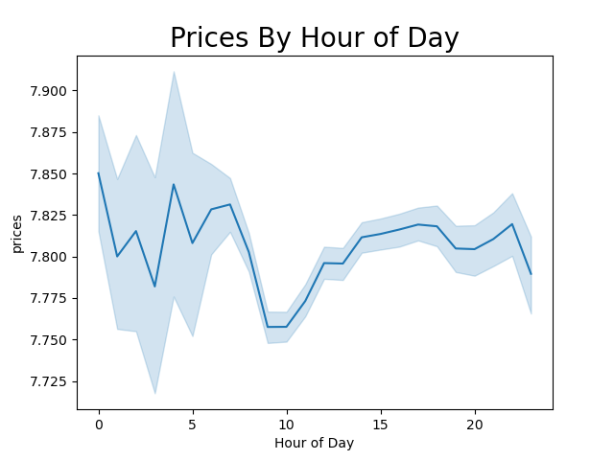

 |  |  | This line chart shows the average product price by hour of day. There appears to be a slight increase between the hours of 4AM-7AM.

 |  |  | Recommendation: The hours before and during 4AM-7AM would be ideal for advertising higher priced products as these are the times when
 |  |  | they tend to be purchased.

Instacart has a lot of products with different price tags. Marketing and sales want to use simpler price range groupings to help direct their efforts.
Product Price Range Category
Product Price | Category | Number of Products
≤$5 | Low-Range | 10126384
>$5 - ≤$15 | Mid-Range | 21890146
>$15 | High-Range | 417682

Question 3. Are there certain types of products that are more popular than others? The marketing and sales teams want to know which departments have the highest frequency of product orders.
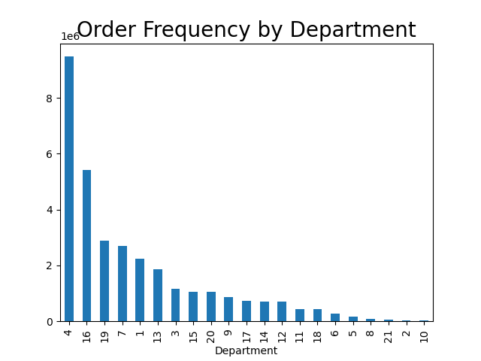
 |  |  |  |  | department
 |  |  |  | 1 | frozen
 |  |  |  | 2 | other | The bar chart shows the order frequency by department.
 |  |  |  | 3 | bakery | The top five departments are: produce, dairy/eggs, snacks, beverages and frozen.
 |  |  |  | 4 | produce
 |  |  |  | 5 | alcohol | Recommendation: More advertising can be put towards underperforming departments.
 |  |  |  | 6 | international | Alternatively, underperforming departments could be cut to put those resources towards mid- to high-performing products.
 |  |  |  | 7 | beverages
 |  |  |  | 8 | pets
 |  |  |  | 9 | dry goods pasta
 |  |  |  | 10 | bulk
 |  |  |  | 11 | personal care
 |  |  |  | 12 | meat seafood
 |  |  |  | 13 | pantry
 |  |  |  | 14 | breakfast
 |  |  |  | 15 | canned goods
 |  |  |  | 16 | dairy eggs
 |  |  |  | 17 | household
 |  |  |  | 18 | babies
 |  |  |  | 19 | snacks
 |  |  |  | 20 | deli
 |  |  |  | 21 | missing
 |  |  |  | 21 | missing

Question 4. What’s the distribution among users in regards to their brand loyalty (i.e., how often do they return to Instacart)?
Customer Loyalty Distribution
Customer Loyalty | Customer Number
Loyal | 10293737
Regular | 15891077
New | 6249398

Roughly half of the customer loyalty distribution are Regular Customers, which are customers with between 10 and 40 orders.

Recommendation: A loyalty program should be considered to attract new customers and grow the amount of loyal customers.

Question 5. Are there differences in ordering habits based on a customer’s loyalty status?

Average Order Price by Loyalty Status
Customer Loyalty | Average Order Price ($)
Loyal | $10.39
Regular | $12.50
New | $13.29

New Customers are likely to spend slightly more per order than Loyal Customers (who spend the least per order on average), but there does not appear to be a major difference in ordering habits by loyalty status.

Recommendation: As suggested above, a loyalty program could encourage loyal customers - who already spend the least on average - to order even more frequently by offering more discounts.

Question 6. Are there differences in ordering habits based on a customer’s region?
Spending Habit by Region
Region | High Spender | Low Spender
Midwest | 2503257 | 5100553
Northeast | 1880583 | 3847764
South | 3558931 | 7242679
West | 2729318 | 5571127

Low Spenders outnumber the High Spenders in all regions.

Recommendation: A discount program and/or investing in more quality low price products could attract and retain customers in all regions.

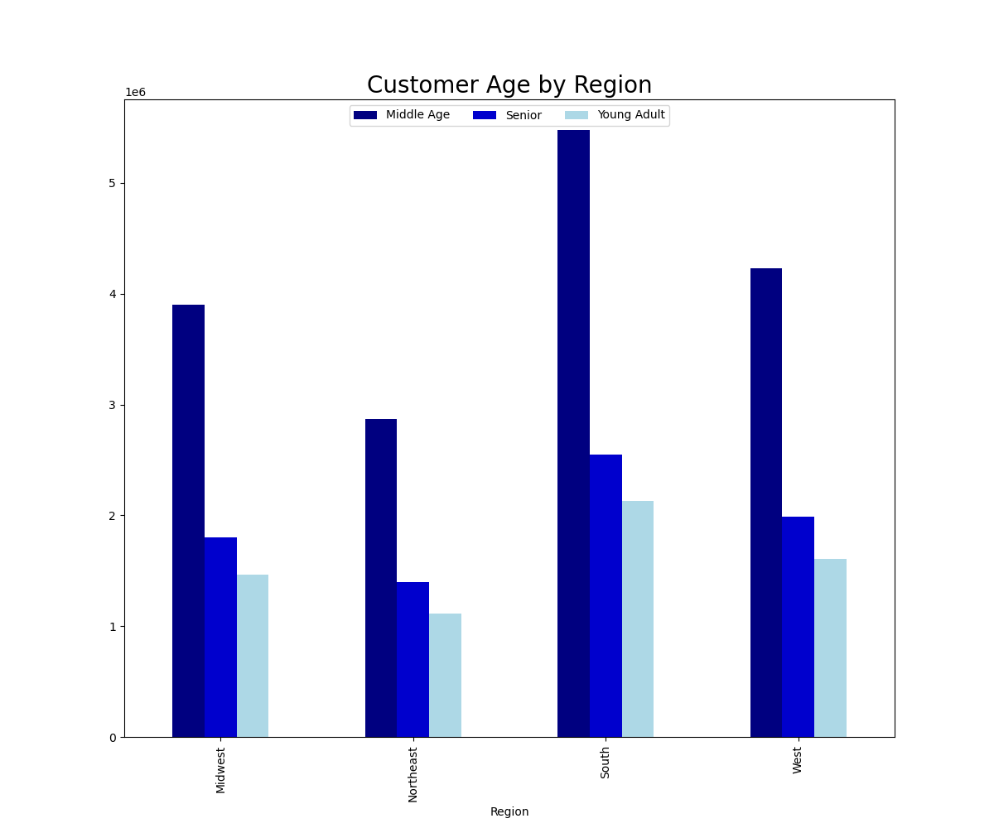

 |  |  |  |  | This chart shows regional ordering habits by customer age.
 |  |  |  |  | Each region has mostly Middle Age customers. This makes sense as this age group probably
 |  |  |  |  | is the one to have more customers raising families and working jobs and thus would favor a
 |  |  |  |  | time-saving grocery service.

 |  |  |  |  | Recommendation: More advertising can be done to tout the convenience and specific offerings
 |  |  |  |  | that would appeal to the young adult and senior age groups.

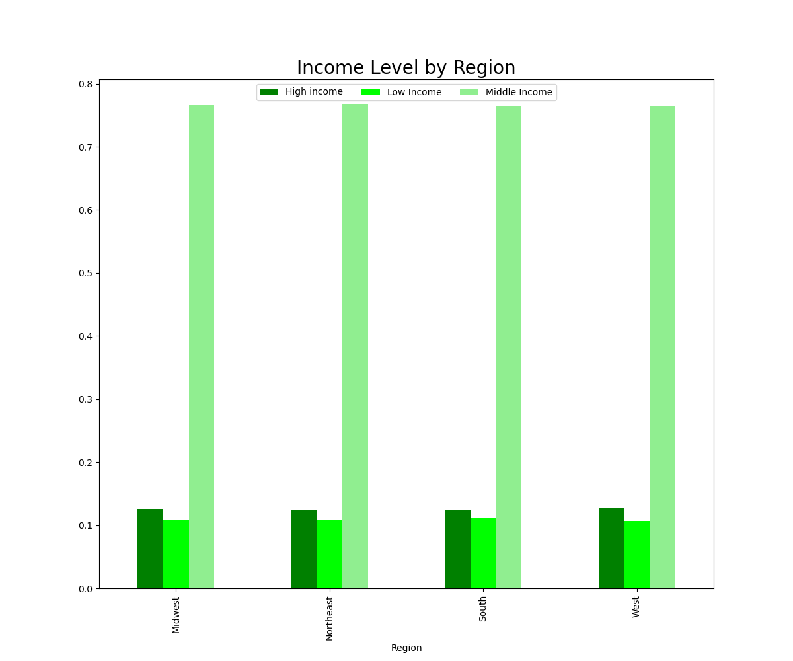

 |  |  |  |  | This chart displays customer income level by region. Customers classifed as
 |  |  |  |  | Middle Income outnumber of income level classed in each region by far.

 |  |  |  |  | Recommendation: Student discounts could be offered for those with
 |  |  |  |  | Low Income because they are students. Research could also be done on
 |  |  |  |  | possibly expanding service to Low Income areas and/or offering a
 |  |  |  |  | some sort of hardship discount.

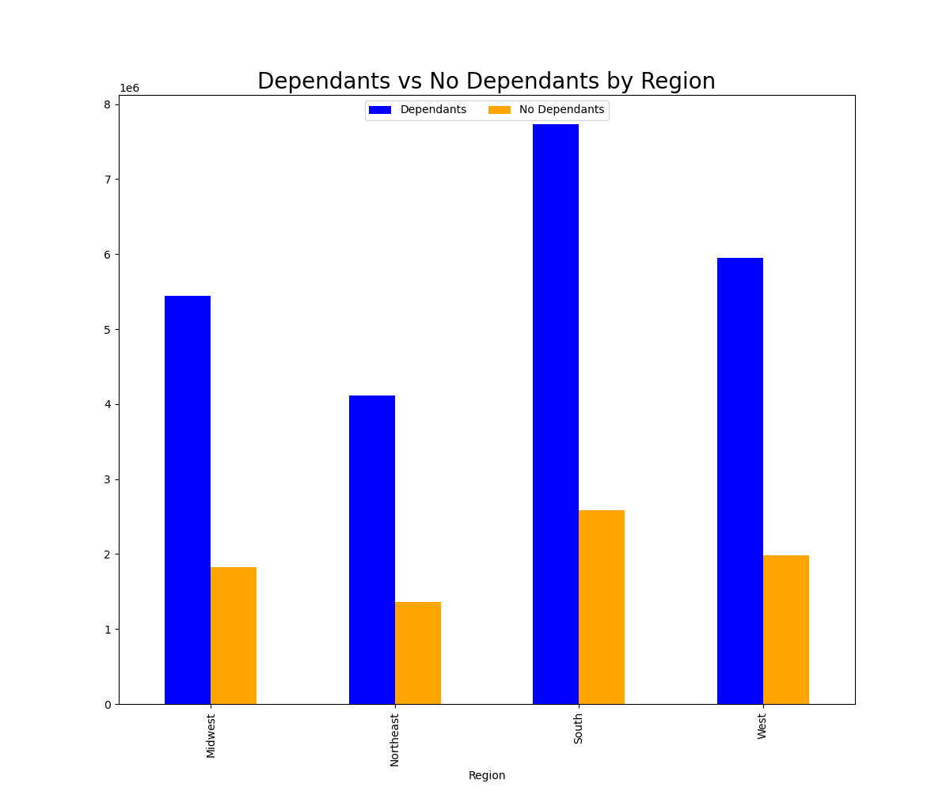

 |  |  |  |  | This chart displays whether or not a customer has dependants by region.
 |  |  |  |  | Most customers have at least one dependant in all regions. As stated
 |  |  |  |  | above, this fits with the majority of customers being Middle Age and
 |  |  |  |  | being in the age group that is raising families. The convenince of Instacart
 |  |  |  |  | clearly already appeals to working-age customers with families.

 |  |  |  |  | Recommendation: Invest in products and advertising geared toward
 |  |  |  |  | single young adults to attract more of this demographic.

Question 7. Is there a connection between age and family status in terms of ordering habits?

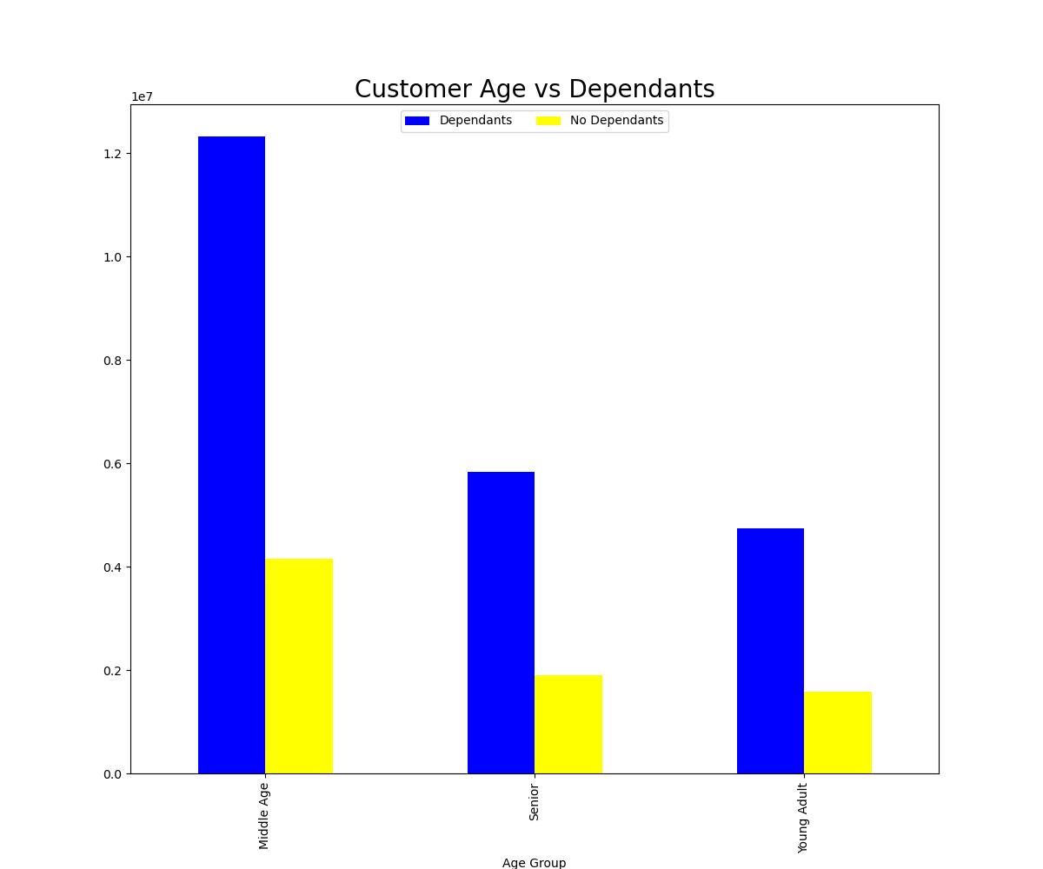

 |  |  |  |  | This chart again shows the majority of customers are Middle Age with dependants.
 |  |  |  |  | Among those with no dependants, most are still Middle Age.
 |  |  |  |  | Those with dependants still outnumber those without dependants in each
 |  |  |  |  | age category.

 |  |  |  |  | Recommendation: To attract single young adults (in order to have them already be
 |  |  |  |  | customers when they are older and have families) more advertising should
 |  |  |  |  | target this demographic.

Question 8. What different classifications does the demographic information suggest? Age? Income? Certain types of goods? Family status?

The analysis so far suggests the average Instacart customer is Middle Age, Middle Income, with dependants that are restocking basic food supplies on the weekend.
All regions show a majority are low spenders but most are also regular customers.
Basically most customers are working while raising families and like the convenience and affordability Instacart offers.

Question 9. What differences can you find in ordering habits of different customer profiles?

I created an "Alcohol Flag" to categorize alcohol purchases by age and number of dependants.

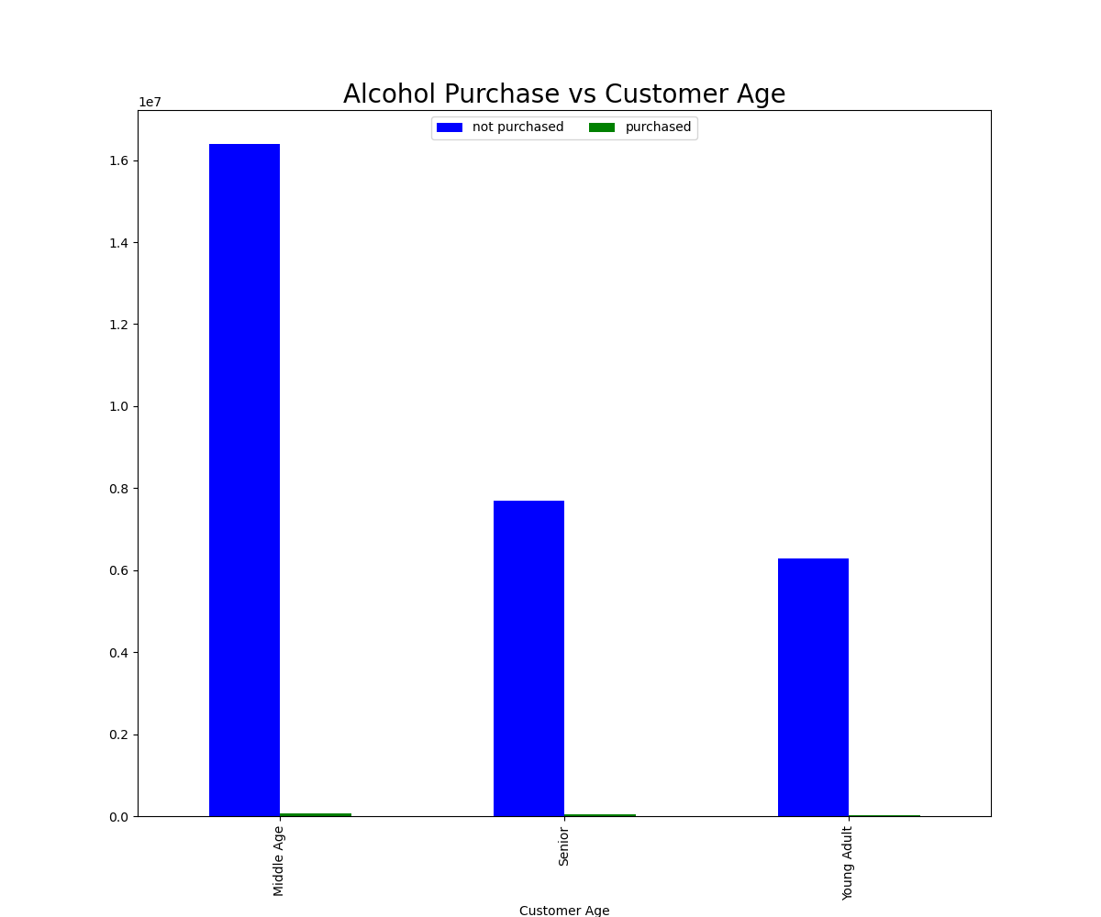

 |  |  |  |  | This chart shows alcohol is not a regular purchase by any age group.

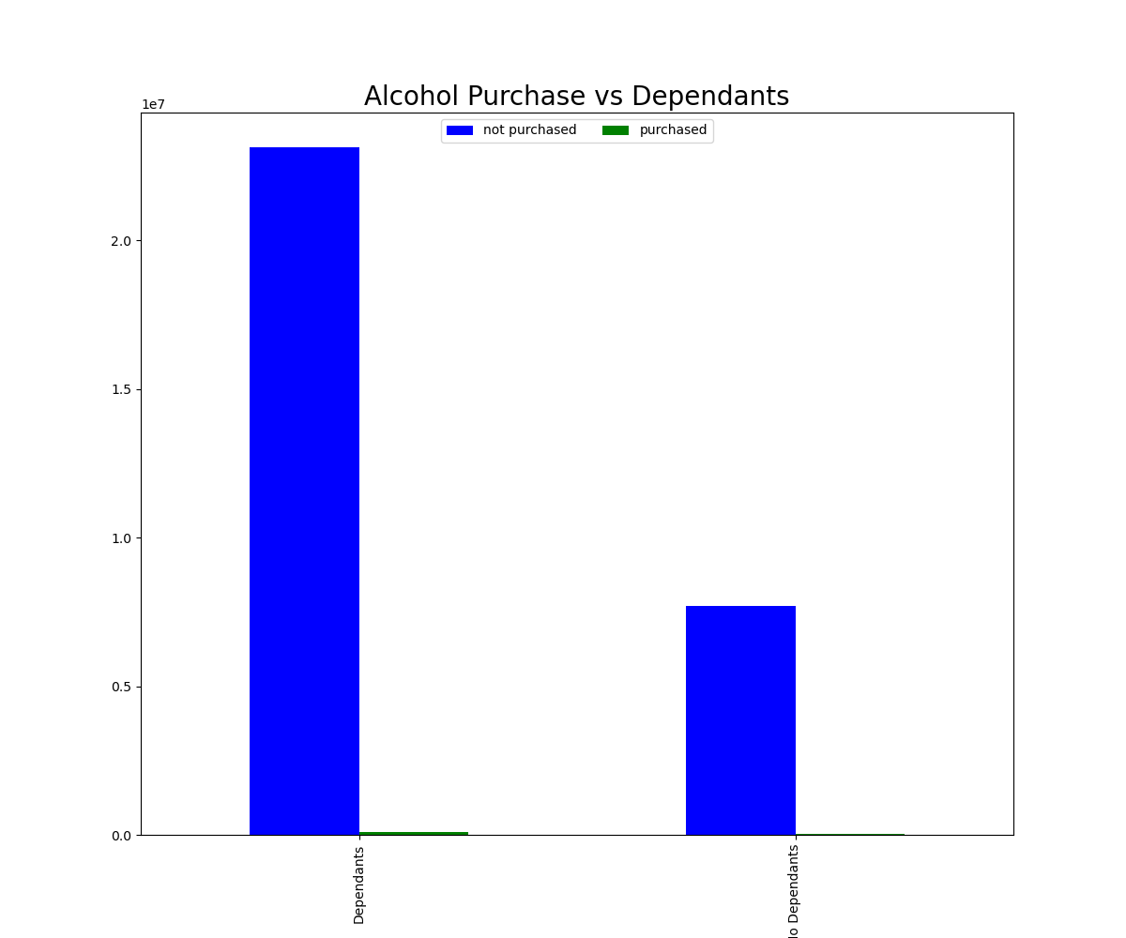

 |  |  |  |  | This chart shows alcohol is not a regular purchase regardless of family status.

I created a "Bulk Flag" to categorize bulk purchases by age group and number of dependants.

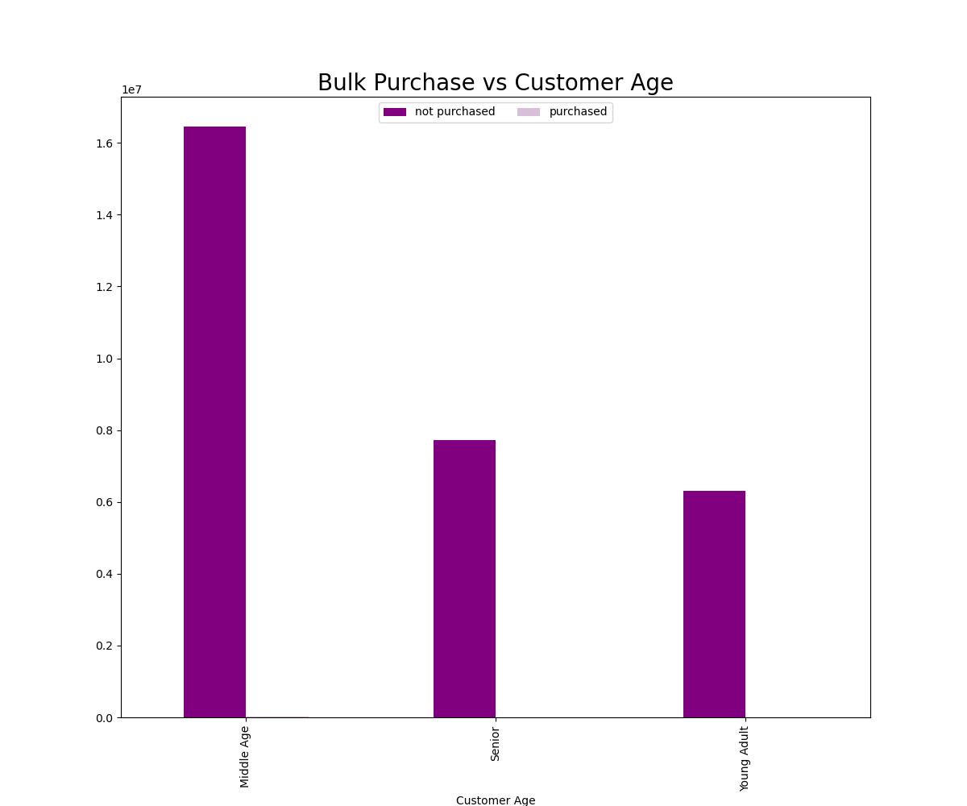

 |  |  |  |  | This chart shows that no age group regularly buys in bulk.

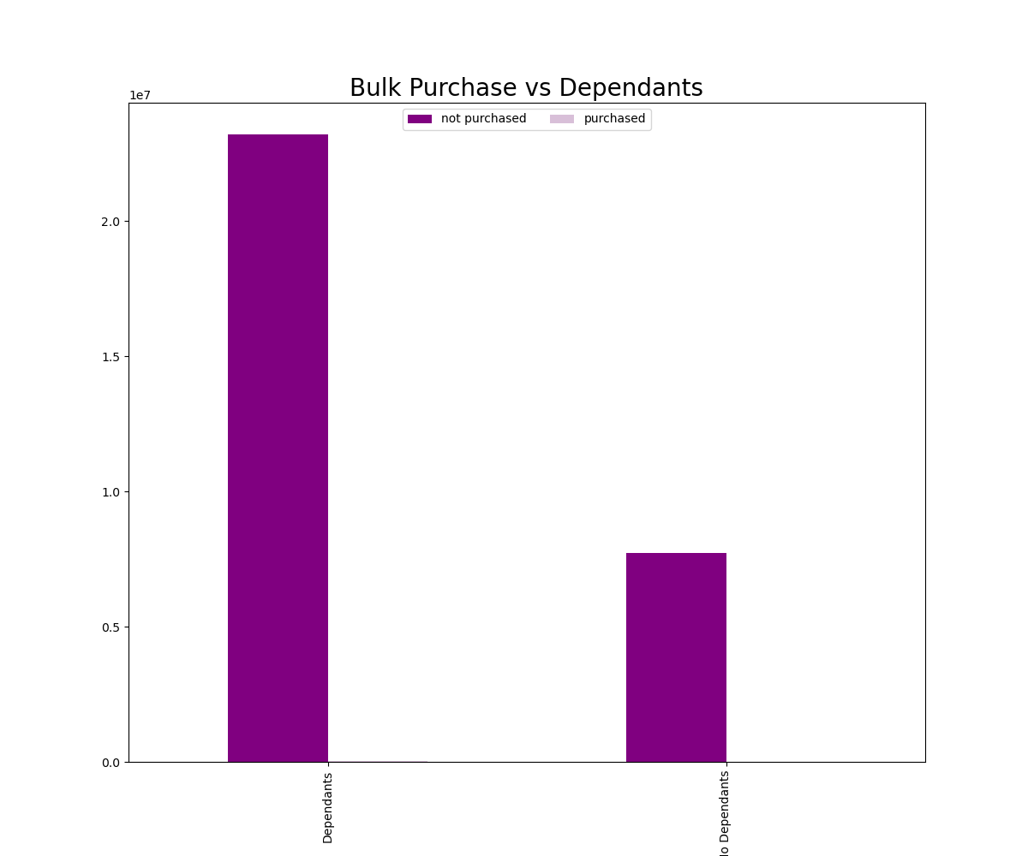

 |  |  |  |  | This chart shows that bulk purchases are not regularly made regardless of family status.

The lack of sales in the alcohol department could signify the lack of single young adult customers. The lack of alcohol sales across age groups could signify that Instacart is not generally utilized for hosting/entertaining purposes.
Recommendation: More advertising can be done to present Instacart in a more fun light to branch out beyond restocking on a few essentials on the weekend and thus attract a younger demographic.

The lack of sales in the bulk department across age groups and regardless of family status is surprising. The core demographic of Instacart appears to be customers with family on a budget.
The majority of sales are on the weekend for essentials like produce, dairy/eggs, beverages, snack and frozens. This could indicate many customers only buy a few things they are low on through Instacart
while doing the majority of their shopping (especially if they have dependants) at another time and place.
Recommendation: Various incentives such as loyalty programs, rewards incentives, discounts and targeted advertising should be utilized to appeal to families to do the majority of their shopping through Instacart.

